instructions
Instructiones
1.- Write the addresses below A1

2.- Select "Extensions- > Apps Script" from the top menu

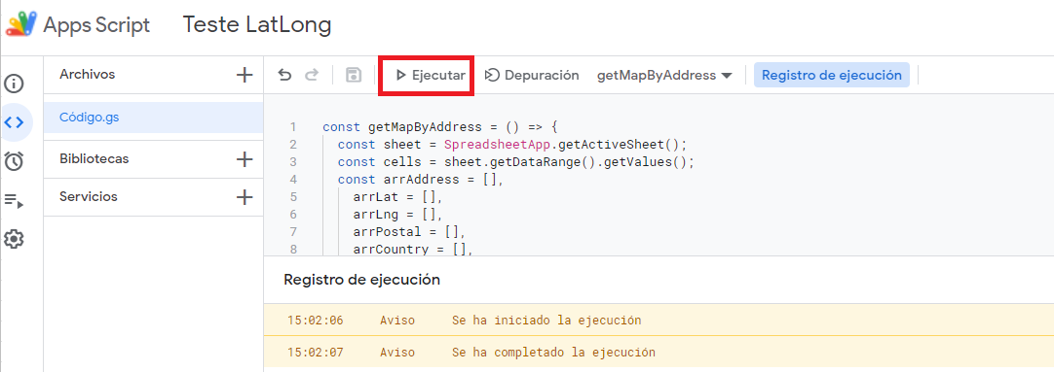
3.- While having the "address" sheet active, press "Execute" to run the script (you'll need to give permissions to google)

4.- See the results in columns B to K

